Kanonen Armstrong
Armstrong-Frederick Canons 1760
 |  |  |  | 27.432

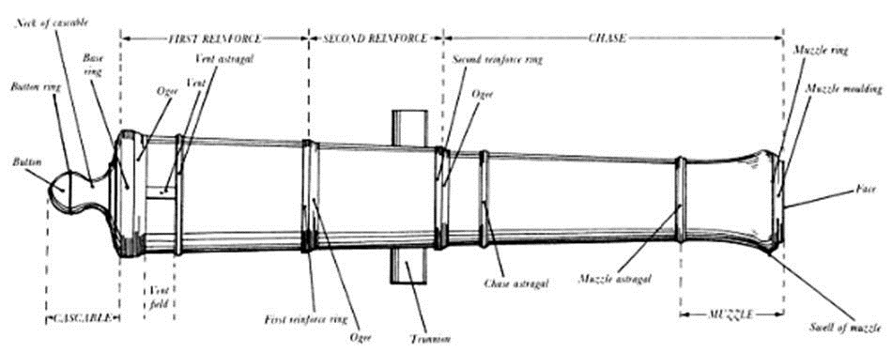
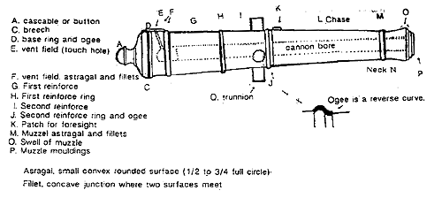
 | Nature/shot lbs | Länge/mzl-Base ring | short | long
 |  | foot | mm | foot | mm
 | 3 | 4.5 | 1,371.60
 | 4 | 5.5 | 1,676.40 | 6.00 | 1,828.80
 | 6 | 6 | 1,828.80 | 6.50 | 1,981.20
 | 9 | 7 | 2,133.60 | 7.50 | 2,286.00
 | 12 | 7.5 | 2,286.00 | 8.50 | 2,590.80
 | 18 | 9 | 2,743.20
 | 24 | 9 | 2,743.20 | 9.50 | 2,895.60
 | 32 | 9.5 | 2,895.60
 | 42 | 10 | 3,048.00

 | Nature | Proof charge (lb) | Proof charge length (in) | Bore length from breech to end of first reinforce (in)
 | (lb) |  |  | 4½' | mm | 5' | mm | 5½' | mm | 6' | mm | 6½' | mm | 7' | mm | 7½' | mm | 8' | mm | 8½' | mm | 9' | mm | 9½' | mm | 10' | mm
 | 3.00 | 3.00 | 13.70 | 11.40 | 289.56
 | 4.00 | 4.00 | 15.10 |  |  |  |  | 14.50 | 368.30 | 16.20 | 411.48
 | 6.00 | 6.00 | 17.30 |  |  |  |  |  |  | 15.50 | 393.70 | 17.20 | 436.88 | 19.00 | 482.60 | 20.70 | 525.78 | 22.40 | 568.96 | 24.10 | 612.14 | 25.80 | 655.32
 | 9.00 | 9.00 | 19.70 |  |  |  |  |  |  |  |  |  |  | 18.50 | 469.90 | 20.20 | 513.08 | 21.90 | 556.26 | 23.60 | 599.44 | 25.30 | 642.62
 | 12.00 | 12.00 | 21.70 |  |  |  |  |  |  |  |  |  |  |  |  | 19.90 | 505.46 |  |  | 23.40 | 594.36 | 25.10 | 637.54
 | 18.00 | 15.00 | 20.70 |  |  |  |  |  |  |  |  |  |  |  |  |  |  |  |  |  |  | 24.60 | 624.84
 | 24.00 | 18.00 | 20.50 |  |  |  |  |  |  |  |  |  |  |  |  |  |  |  |  |  |  | 24.30 | 617.22 | 26.00 | 660.40
 | 32.00 | 21.50 | 20.30 |  |  |  |  |  |  |  |  |  |  |  |  |  |  |  |  |  |  |  |  | 25.80 | 655.32 | 27.50 | 698.5
 | 42.00 | 25.00 | 19.60 |  |  |  |  |  |  |  |  |  |  |  |  |  |  |  |  |  |  |  |  | 25.60 | 650.24 | 27.30 | 693.42

 | Nature | 3.00 | mm | 4.00 | mm | 6.00 | mm | 9.00 | mm | 12.00 | mm | 18.00 | mm | 24.00 | mm | 32.00 | mm | 42.00 | mm
 | Diameter of Calibre inch | 2.91 | 73.99 | 3.20 | 81.38 | 3.67 | 93.17 | 4.20 | 106.68 | 4.62 | 117.42 | 5.29 | 134.42 | 5.82 | 147.90 | 6.41 | 162.81 | 7.02 | 178.26
 | Thickness of metal inch
 | Breech (parts) | 44.00 | 101.74 | 44.00 | 111.90 | 44.00 | 128.10 | 42.00 | 140.02 | 40.00 | 146.78 | 38.00 | 159.62 | 36.00 | 166.39 | 34.00 | 172.99 | 32.00 | 178.26
 | 2nd Reinforce (parts) | 33.00 | 76.30 | 33.00 | 83.93 | 33.00 | 96.08 | 32.00 | 106.68 | 31.00 | 113.75 | 30.00 | 126.02 | 29.00 | 134.04 | 28.00 | 142.46 | 27.00 | 150.40
 | Muzzle astragal (parts) | 24.00 | 55.49 | 24.00 | 61.04 | 24.00 | 69.88 | 23.00 | 76.68 | 22.00 | 80.73 | 21.00 | 88.21 | 20.00 | 92.44 | 19.00 | 96.67 | 18.00 | 100.27

 | Rohrdurchmesser | 3.00 | mm | 4.00 | mm | 6.00 | mm | 9.00 | mm | 12.00 | mm | 18.00 | mm | 24.00 | mm | 32.00 | mm | 42.00 | mm
 | Thickness of metal inch
 | Breech (parts) |  | 277.46 |  | 297.79 |  | 330.20 |  | 354.03 |  | 367.55 |  | 393.23 |  | 406.77 |  | 419.97 |  | 430.50
 | 2nd Reinforce (parts) |  | 226.59 |  | 241.84 |  | 266.15 |  | 287.35 |  | 301.50 |  | 326.02 |  | 342.07 |  | 358.91 |  | 374.80
 | Muzzle astragal (parts) |  | 184.97 |  | 196.06 |  | 213.74 |  | 227.34 |  | 235.45 |  | 250.41 |  | 258.87 |  | 267.33 |  | 274.53

 | Rohrdurchmesser Modell 1:50 | 3.00 | mm | 4.00 | mm | 6.00 | mm | 9.00 | mm | 12.00 | mm | 18.00 | mm | 24.00 | mm | 32.00 | mm | 42.00 | mm
 | Breech (parts) |  | 5.55 |  | 5.96 |  | 6.60 |  | 7.08 |  | 7.35 |  | 7.86 |  | 8.14 |  | 8.40 |  | 8.61
 | 2nd Reinforce (parts) |  | 4.53 |  | 4.84 |  | 5.32 |  | 5.75 |  | 6.03 |  | 6.52 |  | 6.84 |  | 7.18 |  | 7.50
 | Muzzle astragal (parts) |  | 3.70 |  | 3.92 |  | 4.27 |  | 4.55 |  | 4.71 |  | 5.01 |  | 5.18 |  | 5.35 |  | 5.49

 | Nature | 3.00 | mm | 4.00 | mm 1:1 | 6.00 | mm | 9.00 | mm | 12.00 | mm | 18.00 | mm | 24.00 | mm | 32.00 | mm | 42.00 | mm
 | Diameter of Calibre inch | 2.91 | 73.99 | 3.20 | 81.38 | 3.67 | 93.17 | 4.20 | 106.68 | 4.62 | 117.42 | 5.29 | 134.42 | 5.82 | 147.90 | 6.41 | 162.81 | 7.02 | 178.26
 | Cascable length |  | 168.79 | 7.31 | 185.65 | 8.37 | 212.54 | 9.58 | 243.36 | 10.55 | 267.87 | 12.07 | 306.64 | 13.28 | 337.41 | 14.62 | 371.42 | 16.01 | 406.65
 | Cascable length |  | 168.79 |  | 185.65 |  | 212.54 |  | 243.36 |  | 267.87 |  | 306.64 |  | 337.41 |  | 371.42 |  | 406.65
 | Cannon total length short |  | 1,540.39 |  | 1,862.05 |  | 2,041.34 |  | 2,376.96 |  | 2,553.87 |  | 3,049.84 |  | 3,080.61 |  | 3,267.02 |  | 3,454.65
 | Cannon total length long |  |  |  | 2,014.45 |  | 2,193.74 |  | 2,529.36 |  | 2,858.67 |  |  |  | 3,233.01
 | ball diameter |  | 73.26

 | Modell 1:50 | 3.00 | mm | 4.00 | mm 1:50 | 6.00 | mm | 9.00 | mm | 12.00 | mm | 18.00 | mm | 24.00 | mm | 32.00 | mm | 42.00 | mm
 | Diameter of Calibre inch |  | 1.48
 | Cascable length |  | 3.38 |  | 3.71 |  | 4.25 |  | 4.87 |  | 5.36 |  | 6.13 |  | 6.75 |  | 7.43 |  | 8.13
 | Cannon total length short |  | 30.81 |  | 37.24 |  | 40.83 |  | 47.54 |  | 51.08 |  | 61.00 |  | 61.61 |  | 65.34 |  | 69.09
 | Cannon total length long |  |  |  | 40.29 |  | 43.87 |  | 50.59 |  | 57.17 |  |  |  | 64.66
 | ball diameter | 2 7/8 in | 1.47

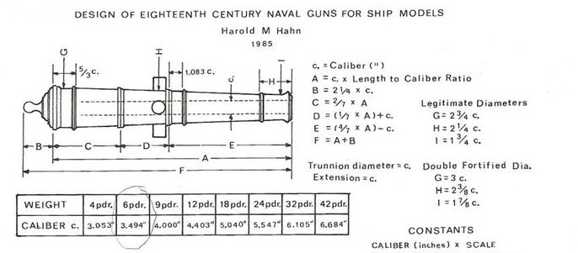

 | Harold Hahn
 | Nature |  | 3.00 | mm | 4.00 | mm | 6.00 | mm | 9.00 | mm | 12.00 | mm | 18.00 | mm | 24.00 | mm | 32.00 | mm | 42.00 | mm
 | Diameter of Calibre inch | Constant | 2.91 | 73.99 | 3.20 | 81.38 | 3.67 | 93.17 | 4.20 | 106.68 | 4.62 | 117.42 | 5.29 | 134.42 | 5.82 | 147.90 | 6.41 | 162.81 | 7.02 | 178.26
 | Länge der einzelnen Abschnitte: |  |  | 73.99 |  | 81.38 |  | 93.17 |  | 106.68 |  | 117.42 |  | 134.42 |  | 147.90 |  | 162.81 |  | 178.26
 | H=Muzzle => Calibre *Constant | 2.25 |  | 166.48 |  | 183.11 |  | 209.63 |  | 240.03 |  | 264.20 |  | 302.44 |  | 332.78 |  | 366.33 |  | 401.08
 | B=Cascable => Calibre *Constant | 2.25 |  | 166.48 |  | 183.11 |  | 209.63 |  | 240.03 |  | 264.20 |  | 302.44 |  | 332.78 |  | 366.33 |  | 401.08
 | Breech ring -vent astragal | 1.667 |  | 123.32 |  | 135.64 |  | 155.28 |  | 177.80 |  | 195.71 |  | 224.03 |  | 246.51 |  | 271.36 |  | 297.10
 | 2nd Reinforce ring - Chase astragal | 1.083 |  | 80.13 |  | 88.14 |  | 100.90 |  | 115.53 |  | 127.17 |  | 145.57 |  | 160.18 |  | 176.33 |  | 193.05
 | Trunnion Diam. = Calibre | 1.000 |  | 73.99 |  | 81.38 |  | 93.17 |  | 106.68 |  | 117.42 |  | 134.42 |  | 147.90 |  | 162.81 |  | 178.26
 | Trunnion length = Calibre | 1.000 |  | 73.99 |  | 81.38 |  | 93.17 |  | 106.68 |  | 117.42 |  | 134.42 |  | 147.90 |  | 162.81 |  | 178.26
 | I = Muzzle diam. Double fortified | 2.250 |  | 166.48 |  | 183.11 |  | 209.63 |  | 240.03 |  | 264.20 |  | 302.44 |  | 332.78 |  | 366.33 |  | 401.08
 | I = Muzzle diam. Minimum | 1.875 |  | 138.73 |  | 152.59 |  | 174.69 |  | 200.03 |  | 220.17 |  | 252.03 |  | 277.32 |  | 305.28 |  | 334.23

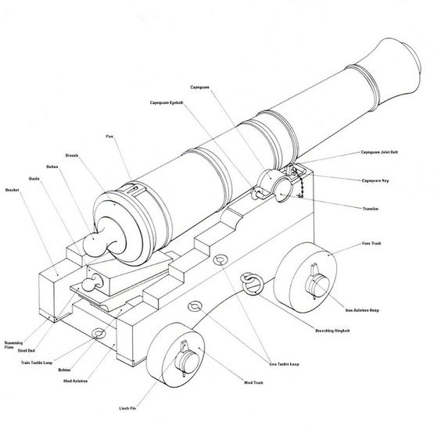
 |  | 22.000
 |  | 1790.404

 | Armstrong-Frederick
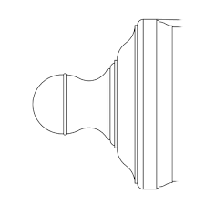
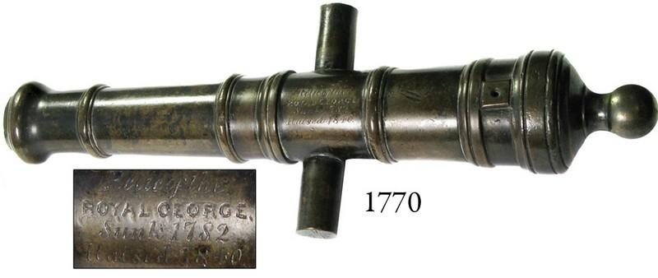

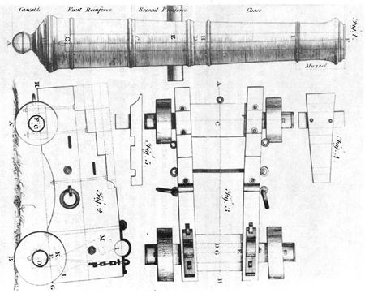

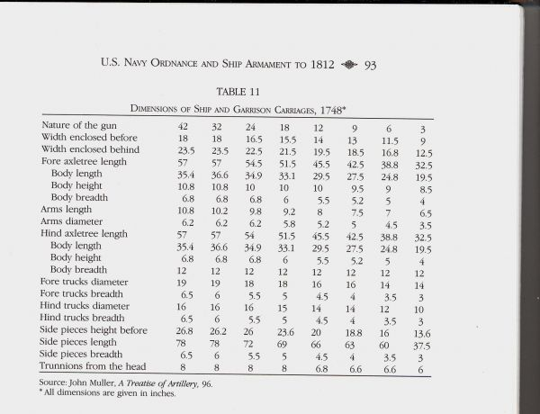

 |  |  |  |  |  |  |  |  | gun carriages 1748 | dimensions in inches

 |  |  |  |  |  |  |  |  | nature of gun | inch | dimension mm | dimensionen 1:50 mm | 1:5 für Drehen mm
 |  |  |  |  |  |  |  |  | Ball pdr. 3

 |  |  |  |  |  |  |  |  | Breite vorne innen | 9 | 228.60 | 4.57 | 45.72
 |  |  |  |  |  |  |  |  | Breite hinten innen | 12.5 | 317.50 | 6.35 | 63.5
 |  |  |  |  |  |  |  |  | Länge Achsbaum vorne | 32.5 | 825.50 | 16.51 | 165.1 | 16.51
 |  |  |  |  |  |  |  |  | Körper Länge | 19.5 | 495.30 | 9.91 | 99.06
 |  |  |  |  |  |  |  |  | Körper Höhe | 8.5 | 215.90 | 4.32 | 43.18
 |  |  |  |  |  |  |  |  | Körper Breite | 4 | 101.60 | 2.03 | 20.32
 |  |  |  |  |  |  |  |  | Achsarm Länge | 6.5 | 165.10 | 3.30 | 33.02
 |  |  |  |  |  |  |  |  | Achsarm Diam | 3.5 | 88.90 | 1.78 | 17.78
 |  |  |  |  |  |  |  |  | Länge Achsbaum hinten | 32.5 | 825.50 | 16.51 | 165.1
 |  |  |  |  |  |  |  |  | Körper Länge | 19.5 | 495.30 | 9.91 | 99.06
 |  |  |  |  |  |  |  |  | Körper Höhe | 4 | 101.60 | 2.03 | 20.32
 |  |  |  |  |  |  |  |  | Körper Breite | 12 | 304.80 | 6.10 | 60.96
 |  |  |  |  |  |  |  |  | Rad vorne diam | 14 | 355.60 | 7.11 | 71.12
 |  |  |  |  |  |  |  |  | Rad vorne Breite | 3 | 76.20 | 1.52 | 15.24
 |  |  |  |  |  |  |  |  | Rad hinten diam | 10 | 254.00 | 5.08 | 50.8
 |  |  |  |  |  |  |  |  | Rad hinten Breite | 3 | 76.20 | 1.52 | 15.24
 |  |  |  |  |  |  |  |  | Seitenteile vorne Höhe | 13.6 | 345.44 | 6.91 | 69.09
 |  |  |  |  |  |  |  |  | Seitenteile Länge | 37.5 | 952.50 | 19.05 | 190.5
 |  |  |  |  |  |  |  |  | Seitenteile Breite | 3 | 76.20 | 1.52 | 15.24
 |  |  |  |  |  |  |  |  | Trunnion Entfernung von vorne | 6 | 152.40 | 3.05 | 30.48

